PS11
Exercise 2
a) | risk-free | 0.05
 | Stock | 20

 |  | 24
 | 20 | 16
 | t_0 | t_1
 |  |  |  |  | 24 | 16
 | v_c | v_p |  |  | 1 | 1
 | 4 | 0
 | 0 | 4 |  |  | 24 | 16
 |  |  |  |  | 1.05 | 1.05
 | x | 0.5 | -8
 |  | 0.5 | -7.619047619
 | c_0 | 2.38
 |  | 2.38
 | Verified | TRUE
b)

 |  | 0.625
 |  | 0.375
 | t_0 | t_1

 | c_0 | 2.38
 | Diff in Diff | 0.00

 | Can we find a put with the same formula?
e)
 | p_0 | 1.4285714286

 | With the put-call-parity, used as P+S=C+Div(K)

 | p_0 | 1.4285714286
 | Verified | 0.00

g)

 | Strat 1 | 0.05
 | Strat 2 | 0.05

h)
 | Beta stock | 0.9
 | Beta call | 3.78
 | Beta put | -6.3

Exercise 3
 | State | Very Bad | Bad | Neutral | Good | Very Good | rf
 | Prob | 0.1 | 0.2 | 0.4 | 0.2 | 0.1 | 0.03
 | Stock Val | 20 | 50 | 70 | 90 | 120

a)
 | Stock val | 67.96

b+c)
 | State | Very Bad | Bad | Neutral | Good | Very Good
 | Prob | 0.1 | 0.2 | 0.4 | 0.2 | 0.1
 | Stock Val | 20 | 50 | 70 | 90 | 120
 | Strike 69 | 0 | 0 | 1 | 21 | 51
 | Strike 70 | 0 | 0 | 0 | 20 | 50
 | Strike 71 | 0 | 0 | 0 | 19 | 49

 | Strike 69 | 9.42
 | Strike 70 | 8.74
 | Strike 71 | 8.45

d)
 |  | Buy strike 69 | Sell 2 strike 70 | Buy strike 71 | Payoff
 | 66 | 0 | 0 | 0 | 0
 | 67 | 0 | 0 | 0 | 0
 | 68 | 0 | 0 | 0 | 0
 | 69 | 0 | 0 | 0 | 0
 | 70 | 1 | 0 | 0 | 1
 | 71 | 2 | -2 | 0 | 0
 | 72 | 3 | -4 | 1 | 0
 | 73 | 4 | -6 | 2 | 0
 | 74 | 5 | -8 | 3 | 0
 | 75 | 6 | -10 | 4 | 0
 | 76 | 7 | -12 | 5 | 0
 | 77 | 8 | -14 | 6 | 0
 | 78 | 9 | -16 | 7 | 0
 | 79 | 10 | -18 | 8 | 0
 | 80 | 11 | -20 | 9 | 0

PS12
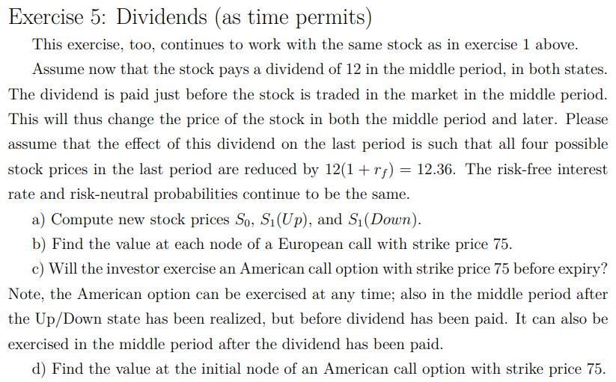
Exercise 2 |  |  |  |  |  | Exercise 5
 | risk-free | 0.03 |  |  |  |  | Div | 12
 | Strike | 130 |  |  |  |  | Risk-free rate | 0.03
 | Bond | 0.97087378641 |  |  |  |  | K | 75
a)
 |  |  | 140 | 140 | 100 | a) |  |  | 127.64
 |  | 120 | 100 | 1.03 | 1.03 |  |  | 108 | 87.64
 | 100 | 80 | 60 |  |  |  | 100 | 68 | 47.64
 | t_0 | t_1 | t_2 |  |  |  | t_0 | t_1 | t_2

 | Payoff |  | 10 |  |  |  | Calc selv | 0.875 | 0.59
 |  | 0 | 0 |  |  |  |  | 0.575 | 0.56
 |  | 0 | 0 |  |  |  | t_0 | t_1 | t_2

 | x | 0.25 | -24.27184466

 | c_1 | 5.73 |  |  |  | b)
 |  |  |  |  |  |  |  | 35.18
b) |  |  |  |  |  |  | 22.48 | 6.87
 | We now find the risk-neutral probabilities |  |  |  |  |  | c_0 | c_1

 |  |  |  |  |  | c)
 |  |  | 0.59 |  |  |  |  |  | 52.64
 |  | 0.575 | 0.56 |  |  |  |  | 33 | 12.64
 | t_0 | t_1 | t_2 |  |  |  |  | 0 | 0
 |  |  |  |  |  |  | t_0 | t_1 | t_2
 |  | 5.73
 | 3.20 | 0 |  |  |  | As long as we are in the up state, then the investor will exercise their right
 | c_0 | c_1
 |  |  |  |  |  |  |  | 45
Exercise 3 |  |  |  |  |  |  | 27.96 | 6.87
a) |  |  |  |  |  |  | c_0 | c_1
 | There is only again to exercise the American option if the immediate payoff of exercising is larger than the price of the European option

 |  |  | 10
 |  | 0 | 0 | Therefore, we want to exercise, only when the state in t_2 is up^2.
 | 0 | 0 | 0 | Therfore, the price must be the same
 | t_0 | t_1 | t_2

b)
 | We can do the same for the put

 |  |  | 0
 |  | 10 | 30 | Therefore, the investor would want to exercise the put in all states but t_2 being up^2
 | 30 | 50 | 70
 | t_0 | t_1 | t_2

c)
 | The arbitrage free price must 30, because this is the payoff, the investor can get immediate after exercising in period two

d)
 | We can use P_0=C_0=S_0+PV(K)

 | P_0 | 25.735224809

 | American options can be exercised early, while the put-call-parity only holds for options held to expiry
 | This can furthermore be seen
 | P+S | C+Dis(K)
 | 130.00 | 129.41
 | Verificer | FALSE

PS12 BSM
Exercise 4
 | r | 0.02
 | T | 0.75
 | K | 100
 | sigma | 0.23

 |  | d1 | d2 | N(d1) | N(d2) | C | Intrinsic Val
 | 75 | -1.27 | -1.47 | 0.10 | 0.07 | 0.67 | 0
 | 80 | -0.95 | -1.14 | 0.17 | 0.13 | 1.35 | 0
 | 85 | -0.64 | -0.84 | 0.26 | 0.20 | 2.42 | 0
 | 90 | -0.35 | -0.55 | 0.36 | 0.29 | 3.98 | 0
 | 95 | -0.08 | -0.28 | 0.47 | 0.39 | 6.05 | 0
 | 100 | 0.17 | -0.02 | 0.57 | 0.49 | 8.64 | 0
 | 105 | 0.42 | 0.22 | 0.66 | 0.59 | 11.73 | 5
 | 110 | 0.65 | 0.45 | 0.74 | 0.68 | 15.25 | 10
 | 115 | 0.88 | 0.68 | 0.81 | 0.75 | 19.13 | 15
 | 120 | 1.09 | 0.89 | 0.86 | 0.81 | 23.32 | 20
 | 125 | 1.30 | 1.10 | 0.90 | 0.86 | 27.74 | 25
 | 130 | 1.49 | 1.29 | 0.93 | 0.90 | 32.33 | 30
 | 135 | 1.68 | 1.48 | 0.95 | 0.93 | 37.04 | 35

Call Value for a given stock price

